Sheet1
 |  | Document No. | Issue No. | Issue Date |  | Review and Replace Date |  | Authorised By
 |  | GFF221MC | 1 | 23.09.2020 |  | New Issue |  | Magda Shah
 |  | Document Title | MINI MAC & CHEESE 132g
Document amendments reason for change |  | New product launch |  |  | Page 1 of 1 | Previous Issue Date | New Issue | Uncontrolled copy unless signed original

CVMCHB1-R1TEB | BOOTHS-XMAS |  | MINI MAC & CHEESE 132g
STEP 1 |  |  |  |  | STEP 2
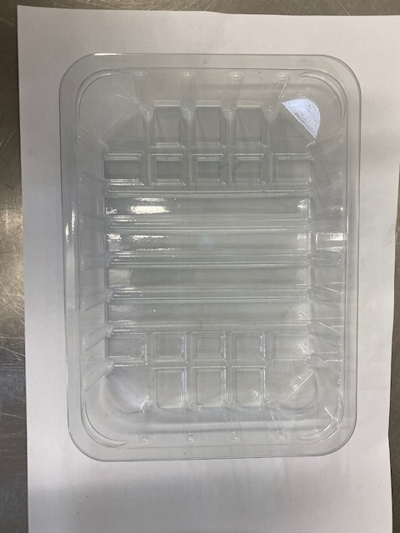

Tray: SK4-PLAIN CLEAR (PKESS001-07) + New Carrboard Inner + Silver Foil |  |  |  |  | Mac & Cheese (GFF332R): 20g
Film: ME410AFV2, 410mm wide x 1000m linear PET Antifog WELD seal (PKPRO001-12)
STEP 3 |  |  |  |  | STEP 4
Frozen :
1 year
 |  |  |  |  | 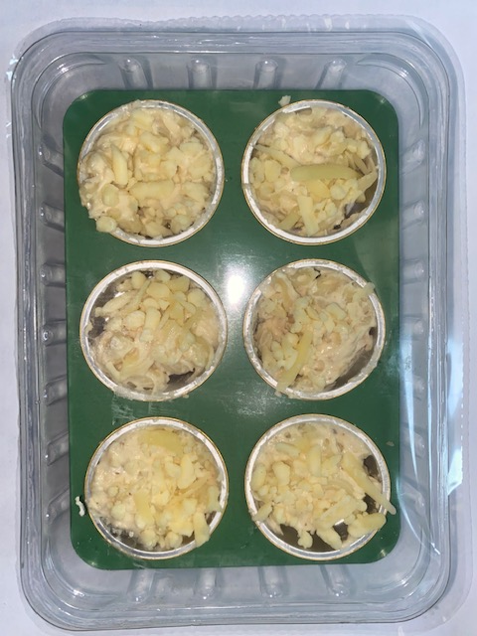

CHEDDAR MATURE GRATED 2KG CROXTON (1 X 2 KG) (RMHAB001-24): 2g |  |  |  |  | TOTAL WEIGHT: 132g (6 X 22g)

ALLERGY ALERT: Milk, Wheat

